Bill Of Lading
#config
Name=BAL Container Bill of Lading
HideColumnIf |  |  |  |  |  |  |  |  |  |  |  | 1==1 | 1==1 | 1==1 | 1==1 | 1==1 | 1==1 | 1==1 | 1==1 | 1==1 | 1==1 | 1==1 | 1==1 | 1==1 | 1==1 | 1==1 | 1==1 | 1==1 | 1==1 | 1==1 | 1==1 | 1==1
PageStyle=Continuous
DataContext=Shipment
EmailSubject=Bill Of Lading - <BillOfLading.OceanBillNumber>
#DocumentHeader
#SectionBody:Data=BillOfLading.FormedPages

#if "<ReleaseTypeCode>" == "SWB"
 |  | SEA WAYBILL |  |  |  |  | NON-NEGOTIABLE SEA WAYBILL FOR COMBINED TRANSPORT OR PORT TO PORT SHIPMENT

#else
 |  | BILL OF LADING | <UPPER("<ReportName>")> |  |  |  | FOR COMBINED TRANSPORT OR PORT TO PORT SHIPMENT NOT NEGOTIABLE UNLESS CONSIGNED "TO ORDER"

#endif
 |  | Shipper |  |  |  |  | B/L NO.:
 |  | <ShrinkToFitForBillOfLading(5)><DocDataValue("Consignor", "<ConsignorAddress>")> |  |  |  |  | <ShrinkToFitForBillOfLading(5)><BillOfLading.OceanBillNumber>
 |  |  |  |  |  |  | Our Ref. |  | Shipper's Ref.
 |  |  |  |  |  |  | <BookingReference> |  | <ShippersRef>

 |  | <ShrinkToFitForBillOfLading(5)><IF( "<Consignor.Phone>" != "" , "<EvaluateInnerContent("Phone: <Consignor.Phone> ")>","")><IF( "<Consignor.Email>" != "" , "<EvaluateInnerContent("Email: <Consignor.Email>")>","")>
 |  | Consignee (if 'To Order' so indicate)
 |  | <ShrinkToFitForBillOfLading(5)><DocDataValue("Consignee", "<ConsigneeAddress>")>

 |  | <ShrinkToFitForBillOfLading(5)><IF( "<Consignee.Phone>" != "" , "<EvaluateInnerContent("Phone: <Consignee.Phone> ")>","")><IF( "<Consignee.Email>" != "" , "<EvaluateInnerContent("Email: <Consignee.Email>")>","")>
 |  | Notify Party (No claim shall attach for failure to notify)
 |  | <ShrinkToFitForBillOfLading(5)><DocDataValue("Notify Party", "<BillOfLading.NotifyParty>")> |  |  |  |  | <RELEASETYPE>
 |  |  |  |  |  |  | Delivery Agent
 |  |  |  |  |  |  | <ShrinkToFitForBillOfLading(5)><Delivery Agent>
 |  | <ShrinkToFitForBillOfLading(5)><IF( "<NotifyParty.Phone>" != "" , "<EvaluateInnerContent("Phone: <NotifyParty.Phone> ")>","")><IF( "<NotifyParty.Email>" != "" , "<EvaluateInnerContent("Email: <NotifyParty.Email>")>","")>
 |  | Precarriage |  | Place of receipt
 |  | <ShrinkToFitForBillOfLading(5)><Precarriage> |  | <ShrinkToFitForBillOfLading(5)><DocDataValue("Place Of Receipt", "<BillOfLading.OriginPort.PortName>")>
 |  | Vessel/Voyage No. |  | Port of loading
 |  | <ShrinkToFitForBillOfLading(5)><Upper("<BillOfLading.VesselName> / <BillOfLading.VoyageNumber>")> |  | <ShrinkToFitForBillOfLading(5)><DocDataValue("Load Port", "<BillOfLading.LoadPort.PortName>")>
 |  | Port of discharge |  | Final destination |  |  | Payment Term |  |  | Number of original B/L(s)
 |  | <ShrinkToFitForBillOfLading(5)><DocDataValue("Discharge Port", "<BillOfLading.DischargePort.PortName>")> |  | <ShrinkToFitForBillOfLading(5)><DocDataValue("Destination Port", "<BillOfLading.DestinationPort.PortName>")> |  |  | <ShrinkToFitForBillOfLading(5)><INCODescription> |  |  | <Upper("<NoOfOriginalBills> (<NumberToWords(NoOfOriginalBills)>)")>
 |  | Marks and numbers |  | Number and kind of packages |  | Description of Goods |  |  | Gross weight |  | Measurement
 |  | <BillOfLading.FormedPages.MainBodyDetailsSection>
 |  | All Marks, particulars and quantity declared by the Shipper but not acknowledged by the Carrier/Agent |  |  |  |  |  | ONBOARD DATE
 |  |  |  |  |  |  |  | <Format("{OnBoardDate:Date}")>
 |  | Freight and Charges | Prepaid |  | Collect |  | Received in external apparent good order and condition except as otherwise noted.The total number of the packages or units stuffed in the container, the description of the goods and the weights shown in this Bill of Lading are furnished by the merchants, and which the carrier has no reasonable means of checking and is not a part of this Bills of Lading contract. The carrier has issued 3 original Bills of Lading, all of this tenor and date, one of the original Bills of Lading must be surrendered and endorsed or signed against the delivery of the shipment and whereupon any other original Bills of Lading shall be void.The merchants agree to be bound by the terms and conditions of this Bill of Lading as if each had personally signed this Bill of Lading.
 |  | <BillOfLading.FormedPages.ChargesSection>
 |  | Excess Value Declaration: | <Excess Value> |  |  |  | *Applicable Only When Document Used as a Combined Transport Bill of Lading.
 |  |  |  |  |  |  | Place and Date of Issue | <ShrinkToFitForBillOfLading(5)><DocDataValue("Place Of Issue", "<BillOfLading.LoadPort.PortName>")> |  |  | <DocDataValue("Date Of Issue", "<HouseBillIssueDate.Date>")>
 |  |  |  |  |  |  | Signed for the Carrier | <ShrinkToFitForBillOfLading(5)><Carrier.Name>

 |  | <IF("<BillOfLading.FormedPages.PageNo>" == "<BillOfLading.FormedPages.Count>", "", "Page <BillOfLading.FormedPages.PageNo> *** Continues Next Page ***")>
 |  | <HPageBreak>

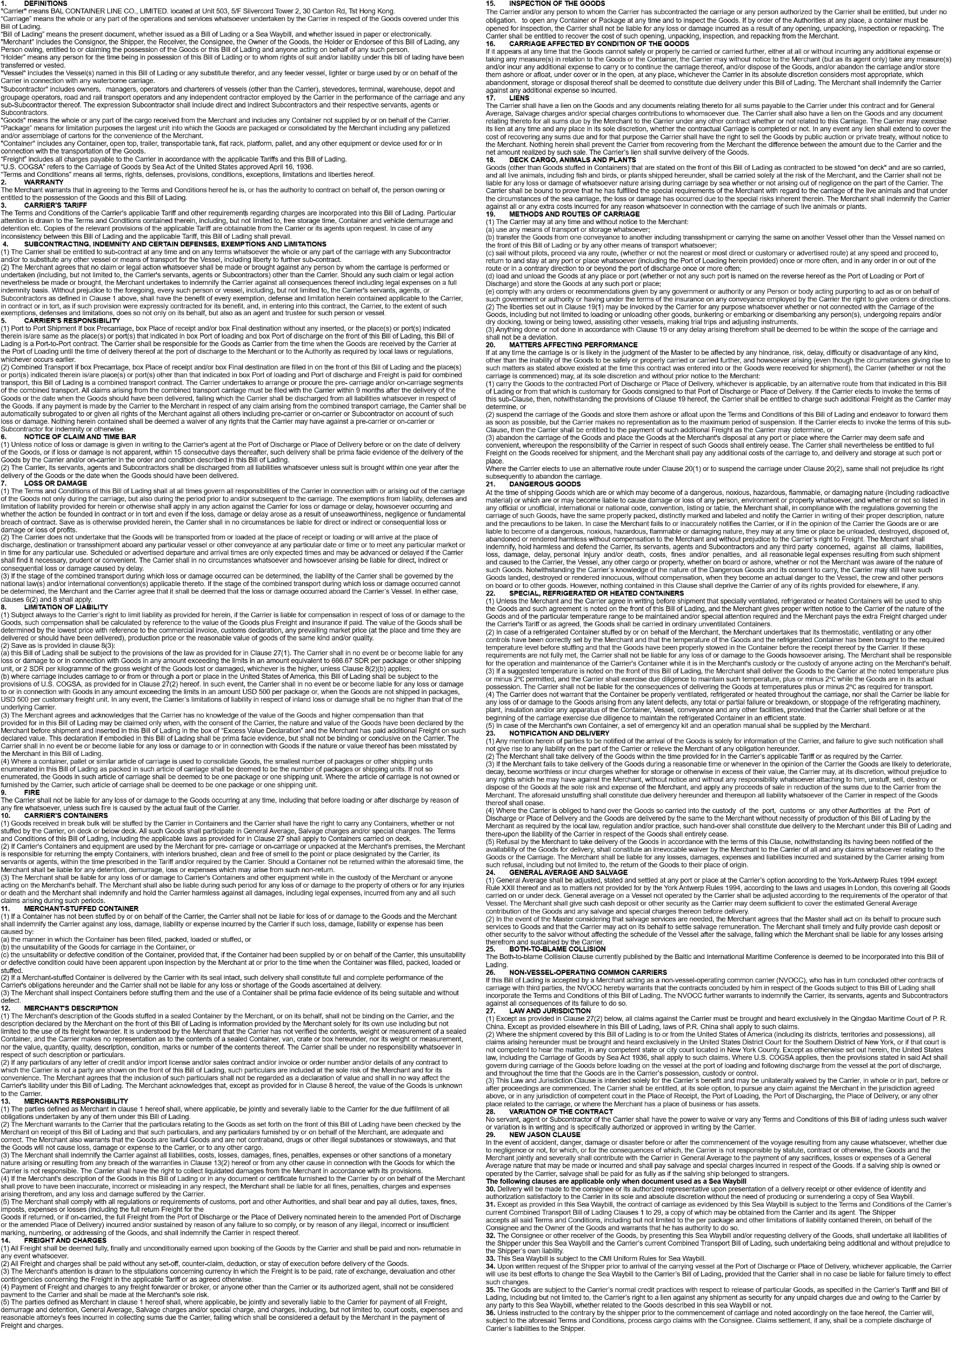

 | <HPageBreak>
#EndOfReport

